Reference
Usage
R | Required, must always be populated
RE | Required, but may be empty. If the Sender has data, it must be sent. The receiver must be capable of processing data if sent and must not raise an error or warning if data is not sent.
C | Conditionally Required
CE | Conditionally Required but may be empty.
X | Not supported
O | Optional

Cardinality
[0.. 1] | Component may be omitted and can have, at most, one occurrence
[1.. 1] | Component must have exactly one occurrence
[0.. *] | Component may be omitted or repeat an unlimited number of times
[1.. *] | Component must appear at least once and may repeat unlimited number of times

Data Types
CE | Coded Element
CWE | Coded with Exceptions
CX | Extended Composite ID with check digit
DTM | Date/Time
EI | Entity Identifier
FN | Family Name
HD | Hierarchic Designator
ID | Coded Value for HL7-defined tables
IS | Coded Value for user-defined tables
MSG | MessageType
NM | Numeric
PL | Person Location
PT | Processing Type
SI | Sequence Identifier
ST | String Data
TX | Text Data
TX | Timestamp
VID | Version Identifier
XAD | Extended Address
XCN | Extended Composite ID Number and Name for Persons
XPN | Extended Person Name

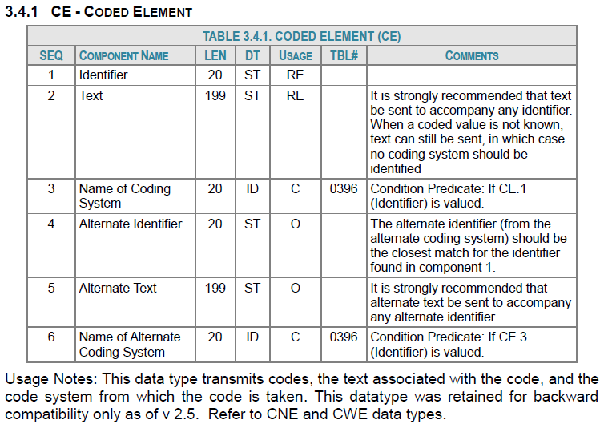

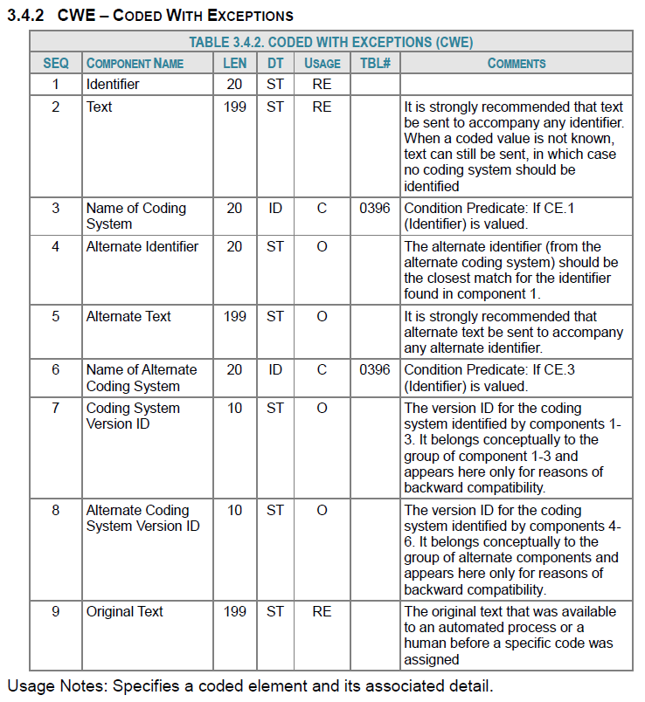

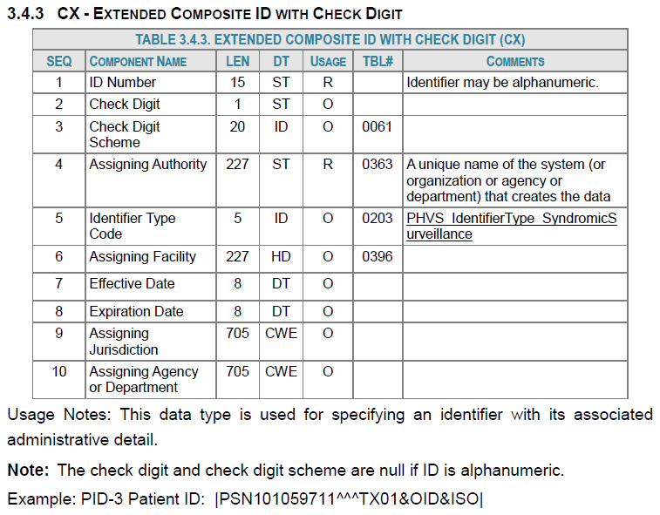

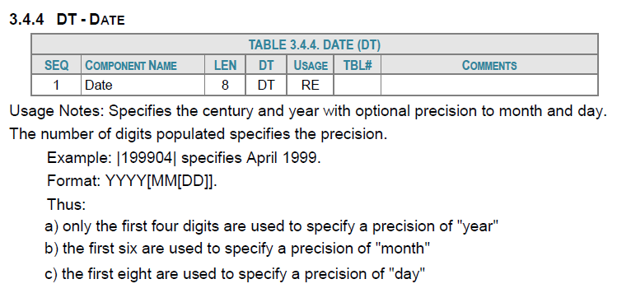

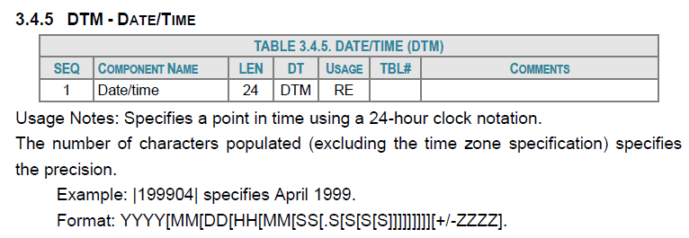

The following table describes the Segments in an Admit/Visit Notification message.

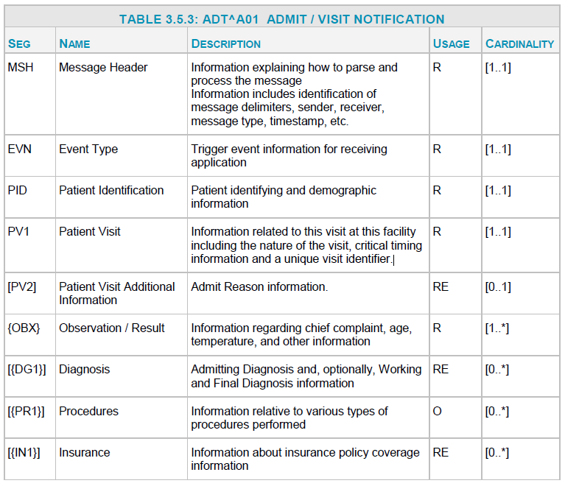

ArchiveRaw
HL7 Archive Raw Name | HL7 Archive Processing Description | Comments
Message_ID | Contains an Internal Unique Identifier to trace this message as it traverses multiple tables and systems. A Sequencer datatype should be used for this column to ensure uniqueness across the entire platform and all of it's sites.
Message_Status | A flag to determine whether this record was processed. Values: * New - No attempted processing has been done. * Read - Message has been successfully read and passed to the stored procedure to be written to the Processed or Exceptions table in the Archive. * Filtered - Message was unable to be opened or processed beyond Raw.
Message_Type | The format by which this message was sent (CSV/HL7V2)
Message | The raw message as was sent in the message.
Message_Count | Number of the message in a batch of messages.
Channel_Name | The name of the channel associated with the message (ex: DOD_FP, MI_FP)
Feed_Name | The feed by which this message was sent.
File_Name | The filename this message came in.
Arrived_Date_Time | The date this message arrived for processing by Mirth (last modified Linux timestamp)
Create_Raw_Date_Time | The date this message was written into the Raw table.
Update_Raw_Date_Time | First, Mirth will input the date the message was picked up for additional processing into the Processed/Exceptions table. Once the message has been processed, SQL will update this field to reflect the date/time the message was processed into the Processed/Exceptions table.
Updated_By | Records the process that updated this record. (Expected to be NULL until it is picked up for further processing. Pick up process will update with the value "Mirth".) Once the record is written to SQL, this will update to "Insert_Processed"). If an individual updates the raw they must put their name in this field.
Updated_Processed | NEW (N) = record has not been processed through Mirth & Stored Procedure PROCESSED (Y) = record has been processed into the Processed table EXCEPTIONS (E) = record has been processed into the Exceptions table FAILURE (G) = This record could not be successfully processed into the Processed or Exceptions table
Filter_Reason | Includes the Filter Reason Code for why this message was filtered. Reflects the first error encountered from the following list of error checks peformed: * MSH-7.1 (Message Date) was missing * MSH-9.1 (Message Type) does in indicate "ADT" *MSH-4 (Sending Facility) is missing in both the MSH-4.1 and MSH-4.2 | Can be joined to the Filter_Reason table to lookup the definition of the code.

 | Flow chart displaying the flags of a Raw message as it undergoes processing in the Archive tables
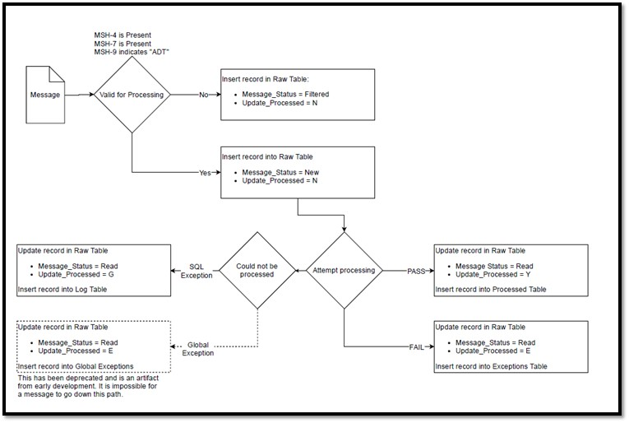

Indexes
Indexes are used to expedite database searches. Normally, a table that contains no indices must search through the entire table in a linear fashion. When an index is added, the query will instead only search through a subset of the data which increases efficiency. We have added indexes to select columns because we feel that the consumers of our data will be using these columns to analyze.
For example, imagine that you needed all the license plate numbers for Toyotas in a lot. A search with no indexes would be the equivalent of checking if each car is a Toyota and recording the license plate number each time it is. Instead if there was an index for manufacturer, only the Toyotas would be shown to you in the lot which decreases your query time significantly.
 | Production |  | Staging
Column Name | Processed | Raw | Processed
Arrived_Date_Time | Yes | Yes | Yes
Arrived_Date | Yes | Yes | Yes
Create_Raw_Date_Time | No | Yes | No
Feed_Name | Yes | Yes | Yes
Message_ID | Yes | Yes | Yes
Message_Status | No | Yes | No
Update_Processed | No | Yes | No
C_Visit_Date_Time | Yes | No | Yes
C_Visit_Date | Yes | No | Yes
C_BioSense_Facility_ID | Yes | No | Yes
C_BioSense_ID | Yes | No | Yes
C_Facility_ID | Yes | No | Yes
Message_Date_Time | Yes | No | Yes
Message_Date | Yes | No | Yes
C_Unique_Patient_ID | Yes | No | Yes
Legacy_Flag | Yes | No | Yes
Create_Processed_Date_Time | Yes | No | Yes
Processed_ID | Yes | No | Yes
Site_ID | Yes | No | Yes
Update_Essence | Yes | No | Yes
Legacy_Row_Number | No | No | Yes

